Overview
LCC Evaluation Model 0.1

Introduction
The Grinding Evaluation Model (GEM) is a LCC tool for comparing rail grinding strategies.
It is a framework based on simulation of track degradation, which together with maintenane
limits determines the grinding activities. Simulations are carried out by the user, and the
simulation inputs and outputs are inserted into this LCC tool.
The default values are based on [1], [2], and [3].
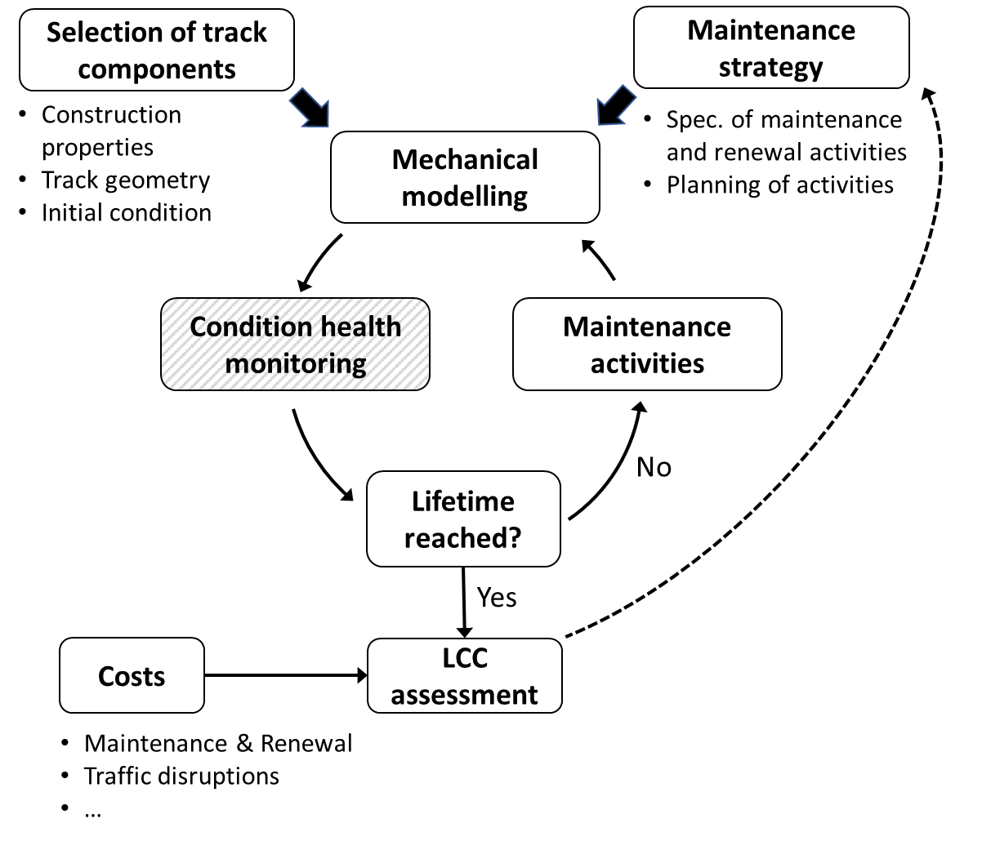

Schematic diagram of simulation procedure and assessment

Calculation overview
LCC_tot = LCC_infra + LCC_train_oper + LCC_external
Cost for excluded train path = [time*(100 + K_k)*(100 + J_k)]*B_k + distance*C_k
where time*(100 + K_k)*(100 + J_k) is calculated transport time using parameters that add time due to applied-for
stops, and a “benefit limit” J_k (percentage) set with respect to cost parameters such that the exclusion cost
reflects the maximum train delay before the commercial value of the trip is lost [2].
Alternatively, the user can insert cost per hour for excluded train path(s) on rows 63-65

CASE SELECTION for LCC_train_oper

Train types running on the line
Train type k=1 [select in drop-down list in row below]
Freight – regularity
Train type k=2 [select in drop-down list in row below]
Freight – network
Train type k=3 [select in drop-down list in row below]
Freight – over-night

GLOBAL INPUTS
Social discount rate
0.035

References
[1] S. H-Nia, V. V. Krishna, K. Odolinski, P.T. Torstensson, L. Sundholm, P-O. Larsson Kråik, S. Stichel. Simulation-based evaluation of maintenance strategies from a life cycle cost perspective.
[2] Trafikverket, 2022. Network Statement 2023, Edition 2022-05-06, For deliveries from 2022-12-11 to 2023-12-09.
[3] Trafikverket 2020. Analysmetod och samhällsekonomiska kalkylvärden för transportsektorn: ASEK 7.0. bilaga-aseks-kalkylvarden-7.0_200623_201204.xlsx

LCC calculation
MODULE | VARIABLE CATEGORY | VARIABLE | UNIT | STRATEGY 1 | STRATEGY 2 | STRATEGY 3 | Data | Double-check value | RESULTS | NPV/meter (track length) | STRATEGY 1 | STRATEGY 2 | STRATEGY 3 | Present Value Cost (PVC) streams |  |  |  |  |  |  |  |  |  |  |  |  |  | Calc. of PVC streams | Renewal |  |  | End-of-life |  |  |  |  |  |  | Maintenance |  |  | Train operation

INFRASTRUCTURE | Technical characteristics | Track lifetime [max 100] | years | 60 | 60 | 60 | ASEK 7.0 [3]
 |  | Rail lifetime [max 100] | years | 9 | 9 | 9 | Simulation output |  |  | Renewal | 16628 | 16961 | 19841 |  | Renewal |  |  | End-of-life |  |  |  | Maintenance |  |  | Train operations |  |  |  | Rail renewal (material + work) |  |  | Disposal of rail waste (neg. value if benefit) |  |  | Residual (remaining service life of rail) |  |  |  | Grinding |  |  | Train type k=1 |  |  | Train type k=2 |  |  | Train type k=2
 |  | Track length | meters | 1000 | 1000 | 1000 | User input |  |  | End-of-life | -212 | -216 | -252 | Number of rail lifecycles | Strategy 1 | Strategy 2 | Strategy 3 | Strategy 1 | Strategy 2 | Strategy 3 | Year | Strategy 1 | Strategy 2 | Strategy 3 | Strategy 1 | Strategy 2 | Strategy 3 | Number of rail lifecycles | Strategy 1 | Strategy 2 | Strategy 3 | Strategy 1 | Strategy 2 | Strategy 3 | Strategy 1 | Strategy 2 | Strategy 3 | Year | Strategy 1 | Strategy 2 | Strategy 3 | Strategy 1 | Strategy 2 | Strategy 3 | Strategy 1 | Strategy 2 | Strategy 3 | Strategy 1 | Strategy 2 | Strategy 3
 |  |  |  |  |  |  |  |  |  | Maintenance | 2482 | 1241 | 1241 | 0 | 5000000 | 5100000 | 5966000 | 0 | 0 | 0 | 1 | 96618 | 48309 | 48309 | 300916 | 225687 | 225687 | 0 | 5000000 | 5100000 | 5966000 | 0 | 0 | 0 |  |  |  | 1 | 96618 | 48309 | 48309 | 300916 | 225687 | 225687 | 0 | 0 | 0 | 0 | 0 | 0
 | Activities | Track renewal | meters | 1000 | 1000 | 1000 | User input |  |  | LCC_infra | 18898 | 17986 | 20829 | 1 | 3668655 | 3742028 | 4377439 | 0 | 0 | 0 | 2 | 93351 | 46676 | 46676 | 290740 | 218055 | 218055 | 1 | 3668655 | 3742028 | 4377439 | 0 | 0 | 0 | 0 | 0 | 0 | 2 | 93351 | 46676 | 46676 | 290740 | 218055 | 218055 | 0 | 0 | 0 | 0 | 0 | 0
 |  | Rail renewal | meters | 1000 | 1000 | 1000 | User input |  |  | LCC_train_oper | 7729 | 5797 | 5797 | 2 | 2691806 | 2745642 | 3211863 | 0 | 0 | 0 | 3 | 90194 | 45097 | 45097 | 280908 | 210681 | 210681 | 2 | 2691806 | 2745642 | 3211863 | 0 | 0 | 0 | 0 | 0 | 0 | 3 | 90194 | 45097 | 45097 | 280908 | 210681 | 210681 | 0 | 0 | 0 | 0 | 0 | 0
 |  |  |  |  | 1000 | 1000 | User input |  |  | LCC_tot | 26628 | 23783 | 26626 | 3 | 1975061 | 2014562 | 2356643 | 0
 |  |  |  |  | 1 | 1 | Simulation input |  |  |  |  |  |  | 4 | 1449164 | 1478147 | 1729142 | 0
 |  |  |  |  | 3 | 3 | User input | PO / TRAFIKVERKET ? Longer time when grinding once per year? |  | Annuity | 1067 | 953 | 1067 | 5 | 1063296 | 1084562 | 1268725 | 0
 |  |  |  |  |  |  |  |  |  | Double-check: NPV of annuity | 26628 | 23783 | 26626 | 6 | 780173 | 795777 | 930903 | 0
 |  |  |  |  | 6.67 | 6.67 | Calc. output |  |  |  |  |  |  | 7 | 0 | 0 | 0 | 0
 |  |  |  |  | 60.0 | 60.0 | Calc. output |  |  | INDEX (LCC_tot stategy = 100) |  |  |  | 8 | 0 | 0 | 0 | 0
 |  |  |  |  | 3 | 3 | Calc. output |  |  | LCC_infra | 71 | 68 | 78 | 9 | 0 | 0 | 0 | 0
 |  |  |  |  |  |  |  |  |  | LCC_train_oper | 29 | 22 | 22 | 10 | 0 | 0 | 0 | -211557
 |  |  |  |  | 6500 | 6500 | ASEK 7.0 [3] |  |  | LCC_tot | 100 | 89 | 99.99411 | 11 | 0 | 0 | 0 | 0
 |  |  |  |  | 5100 | 5966 | User input | PO / TRAFIKVERKET ? |  |  |  |  |  | 12 | 0 | 0 | 0 | 0
 |  |  |  |  | 50 | 50 | PO Larsson Kråik |  |  |  |  |  |  | 13 | 0 | 0 | 0 | 0
 |  |  |  |  | 1.02 | 1.19 |  |  |  |  |  |  |  | 14 | 0 | 0 | 0 | 0
 |  |  |  |  | 0 | 0 | User input |  |  |  |  |  |  | 15 | 0 | 0 | 0 | 0
 |  |  |  |  |  |  |  |  |  |  |  |  |  | 16 | 0 | 0 | 0 | 0
 |  |  |  |  | 0.833 | 0.833 | Simulation input | [20 trains per day] |  |  |  |  |  | 17 | 0 | 0 | 0 | 0
 |  |  |  |  | 0 | 0 | User input |  |  |  |  |  |  | 18 | 0 | 0 | 0 | 0
 |  |  |  |  | 0 | 0 | User input |  |  |  |  |  |  | 19 | 0 | 0 | 0 | 0
 |  |  |  |  |  |  |  |  |  |  |  |  |  | 20 | 0 | 0 | 0 | 0
 |  |  |  |  | 310 | 310 | User input | PO / TRAFIKVERKET ? |  |  |  |  |  | 21 | 0 | 0 | 0 | 0
 |  |  |  |  | 310 | 310 | User input |  |  |  |  |  |  | 22 | 0 | 0 | 0 | 0
 |  |  |  |  | 310 | 310 | User input |  |  |  |  |  |  | 23 | 0 | 0 | 0 | 0
 |  |  |  |  |  |  |  |  |  |  |  |  |  | 24 | 0 | 0 | 0 | 0
 |  |  |  |  | 233 | 233 | User input |  |  |  |  |  |  | 25 | 0 | 0 | 0 | 0
 |  |  |  |  | 233 | 233 | User input |  |  |  |  |  |  | 26 | 0 | 0 | 0 | 0
 |  |  |  |  | 233 | 233 | User input |  |  |  |  |  |  | 27 | 0 | 0 | 0 | 0
 |  |  |  |  |  |  |  |  |  |  |  |  |  | 28 | 0 | 0 | 0 | 0
 |  |  |  |  | 320 | 320 | Calc. output |  |  |  |  |  |  | 29 | 0 | 0 | 0 | 0
 |  |  |  |  | 320 | 320 | Calc. output |  |  |  |  |  |  | 30 | 0 | 0 | 0 | 0
 |  |  |  |  | 296 | 296 | Calc. output |  |  |  |  |  |  | 31 | 0 | 0 | 0 | 0
 |  |  |  |  |  |  | User input |  |  |  |  |  |  | 32 | 0 | 0 | 0 | 0
 |  |  |  |  |  |  | User input |  |  |  |  |  |  | 33 | 0 | 0 | 0 | 0
 |  |  |  |  |  |  | User input |  |  |  |  |  |  | 34 | 0 | 0 | 0 | 0
 |  |  |  |  |  |  |  |  |  |  |  |  |  | 35 | 0 | 0 | 0 | 0
 |  |  |  |  | 2.5 | 2.5 | Calc. output |  |  |  |  |  |  | 36 | 0 | 0 | 0 | 0
 |  |  |  |  | 0 | 0 | Calc. output |  |  |  |  |  |  | 37 | 0 | 0 | 0 | 0
 |  |  |  |  | 0 | 0 | Calc. output |  |  |  |  |  |  | 38 | 0 | 0 | 0 | 0
 |  |  |  |  |  |  |  |  |  |  |  |  |  | 39 | 0 | 0 | 0 | 0
 |  |  |  |  | 72354 | 72354 | Calc. output |  |  |  |  |  |  | 40 | 0 | 0 | 0 | 0
 |  |  |  |  | 55707 | 55707 | Calc. output |  |  |  |  |  |  | 41 | 0 | 0 | 0 | 0
 |  |  |  |  | 76777 | 76777 | Calc. output |  |  |  |  |  |  | 42 | 0 | 0 | 0 | 0
 |  |  |  |  |  |  |  |  |  |  |  |  |  | 43 | 0 | 0 | 0 | 0
 |  |  |  |  | 21080 | 21080 | Calc. output |  |  |  |  |  |  | 44 | 0 | 0 | 0 | 0
 |  |  |  |  | 22940 | 22940 | Calc. output |  |  |  |  |  |  | 45 | 0 | 0 | 0 | 0
 |  |  |  |  | 21390 | 21390 | Calc. output |  |  |  |  |  |  | 46 | 0 | 0 | 0 | 0
 |  |  |  |  |  |  |  |  |  |  |  |  |  | 47 | 0 | 0 | 0 | 0
 |  |  |  |  | 233586 | 233586 | Calc. output |  |  |  |  |  |  | 48 | 0 | 0 | 0 | 0
 |  |  |  |  | 0 | 0 | Calc. output |  |  |  |  |  |  | 49 | 0 | 0 | 0 | 0
 |  |  |  |  | 0 | 0 | Calc. output |  |  |  |  |  |  | 50 | 0 | 0 | 0 | 0
 |  |  |  |  |  |  |  |  |  |  |  |  |  | 51 | 0 | 0 | 0 | 0
 |  |  |  |  | 77862 | 77862 | Calc. output | PO / TRAFIKVERKET ? 120 000 SEK/h has been mentioned in a previous meeting (can be inserted in row 63) |  |  |  |  |  | 52 | 0 | 0 | 0 | 0
 |  |  |  |  | 0 | 0 | Calc. output |  |  |  |  |  |  | 53 | 0 | 0 | 0 | 0
 |  |  |  |  | 0 | 0 | Calc. output |  |  |  |  |  |  | 54 | 0 | 0 | 0 | 0
 |  |  |  |  |  |  |  |  |  |  |  |  |  | 55 | 0 | 0 | 0 | 0
 |  |  |  |  | 0 | 0 | User input |  |  |  |  |  |  | 56 | 0 | 0 | 0 | 0
 |  |  |  |  |  |  | User input |  |  |  |  |  |  | 57 | 0 | 0 | 0 | 0
 |  |  |  |  |  |  | User input |  |  |  |  |  |  | 58 | 0 | 0 | 0 | 0
 |  |  |  |  |  |  |  |  |  |  |  |  |  | 59 | 0 | 0 | 0 | 0
 |  |  |  |  | 0 | 0 | Calc. output |  |  |  |  |  |  | 60 | 0 | 0 | 0 | 0
...

CO2_Valuation
Year | CO2_Valuation (kr/kg Co2e) | not. Alla värden är i 2019 års
2019 | 1.38
2020 | 1.52
 | CO2_Valuation (kr/kg Co2e)
2019 | 1.38
2020 | 1.52
2021 | 1.66
2022 | 1.80
2023 | 1.94
2024 | 2.08
2025 | 2.22
2026 | 2.36
2027 | 2.51
2028 | 2.65
2029 | 2.79
2030 | 2.93
2031 | 3.07
2032 | 3.21
2033 | 3.35
2034 | 3.49
2035 | 3.63
2036 | 3.77
2037 | 3.91
2038 | 4.05
2039 | 4.19
2040 | 4.33
2041 | 4.47
2042 | 4.61
2043 | 4.76
2044 | 4.90
2045 | 5.04
2046 | 5.05
2047 | 5.06
2048 | 5.07
2049 | 5.08
2050 | 5.09
2051 | 5.10
2052 | 5.11
2053 | 5.12
2054 | 5.12
2055 | 5.13
2021 | 1.66
2022 | 1.80
2023 | 1.94
2024 | 2.08
2025 | 2.22
2026 | 2.36
2027 | 2.51
2028 | 2.65
2029 | 2.79
2030 | 2.93
2031 | 3.07
2032 | 3.21
2033 | 3.35
2034 | 3.49
2035 | 3.63
2036 | 3.77
2037 | 3.91
2038 | 4.05
2039 | 4.19
2040 | 4.33
2041 | 4.47
2042 | 4.61
2043 | 4.76
2044 | 4.90
2045 | 5.04
...

